WiFi 4
Pin Compatible
 |  | 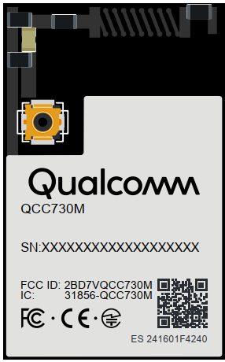 | 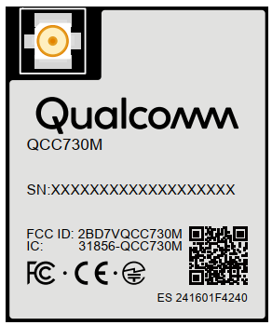 | 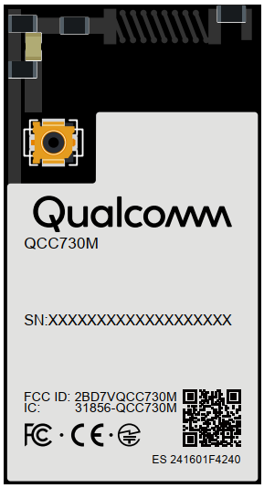 | 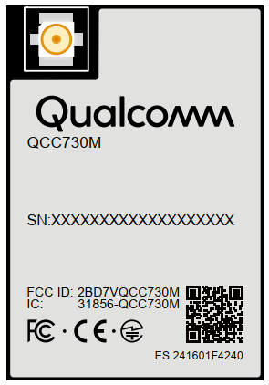
Part Number |  | QCC-730M-1-LGM42-MT-00-0-AA | QCC-730M-1-LGM42A-MT-00-0-AB | QCC-730M-1-LGM42B-MT-00-0-AD | QCC-730M-1-LGM42C-MT-00-0-AE
Platform | Module Supplier | Qualcomm | Qualcomm | Qualcomm | Qualcomm
 | Chip Supplier | Qualcomm | Qualcomm | Qualcomm | Qualcomm
 | Chip Part Number | QCC-730-1 | QCC-730-1 | QCC-730-1 | QCC-730-1
 | CPU | Cortex-M4F @ 60 MHz | Cortex-M4F @ 60 MHz | Cortex-M4F @ 60 MHz | Cortex-M4F @ 60 MHz
 | Flash | 4 MB NOR | 4 MB NOR | 4 MB NOR | 4 MB NOR
 | RAM | 640KB SRAM + 1.5 MB RRAM | 640KB SRAM + 1.5 MB RRAM | 640KB SRAM + 1.5 MB RRAM | 640KB SRAM + 1.5 MB RRAM
 | ROM | NA | NA | NA | NA
 | Hosted Interface | SPI or UART | SPI or UART | SPI or UART | SPI or UART
 | Hosted OS | Any | Any | Any | Any
 | Hostless OS | FreeRTOS, Zephyr | FreeRTOS, Zephyr | FreeRTOS, Zephyr | FreeRTOS, Zephyr
Connectivity | SDIO | NA | NA | NA | NA
 | USB | NA | NA | NA | NA
 | SPI / QSPI | 1 x SPI (slave) / 1 x QSPI (master) | 1 x SPI (slave) / 1 x QSPI (master) | 1 x SPI (slave) / 1 x QSPI (master) | 1 x SPI (slave) / 1 x QSPI (master)
 | UART | 4 x UART | 4 x UART | 4 x UART | 4 x UART
 | I2C | 1 x I2C (master) | 1 x I2C (master) | 1 x I2C (master) | 1 x I2C (master)
 | ADC | NA | NA | NA | NA
 | DAC | NA | NA | NA | NA
 | PWM | NA | NA | NA | NA
 | GPIOs | 15 x multiplexed GPIOs | 15 x multiplexed GPIOs | 15 x multiplexed GPIOs | 15 x multiplexed GPIOs
 | Securtiy | Crypto Accelerators | Crypto Accelerators | Crypto Accelerators | Crypto Accelerators
 | Secure Boot/Storage/Debug | yes/yes/yes | yes/yes/yes | yes/yes/yes | yes/yes/yes
 | Miscellaneous | JTAG | JTAG | JTAG | JTAG
Wireless | Bluetooth Standard | NA | NA | NA | NA
 | WiFi Standard | WiFi 4 | WiFi 4 | WiFi 4 | WiFi 4
 | MIMO | 1x1 | 1x1 | 1x1 | 1x1
 | Frequency | 2.4GHz & 5GHz | 2.4GHz & 5GHz | 2.4GHz & 5GHz | 2.4GHz & 5GHz
 | Bandwidth / MCS | HT20, MCS3 | HT20, MCS3 | HT20, MCS3 | HT20, MCS3
 | Antenna Data Rate | 28.9 Mbps | 28.9 Mbps | 28.9 Mbps | 28.9 Mbps
 | Antenna Type | PCB | RF connector | PCB | RF connector
 | PA on Chip / Module | yes / no | yes / no | yes / yes | yes / yes
 | Soft AP | yes | yes | yes | yes
 | Monitor Mode | yes | yes | yes | yes
Module Spec | Power Supply | Main:1.8V to 3.6V IO:1.8V or 3.3V | Main:1.8V to 3.6V IO:1.8V or 3.3V | Main:1.8V to 3.6V IO:1.8V or 3.3V | Main:1.8V to 3.6V IO:1.8V or 3.3V
 | Dimension (mm) | 12.28 x 19.82 | 12.28 x 14.82 | 12.28 x 23.0 | 12.28 x 18.0
 | Package | 36-pin, LGA | 36-pin, LGA | 36-pin, LGA | 36-pin, LGA
 | Temperature Range | -20°C to 85°C | -20°C to 85°C | -20°C to 85°C | -20°C to 85°C
 | Mounting | single side | single side | single side | single side
 | Carrier / QTY | Tape&Reel, Matrix Tray | Tape&Reel, Matrix Tray | Tape&Reel, Matrix Tray | Tape&Reel, Matrix Tray
 | Weight | 0.92 g | 0.82 g | 1.16 g | 1.07 g
 | Regulatory Compliance | FCC, CE, IC, UKCA, RCM, MIC, KC, SRRC | FCC, CE, IC, UKCA, RCM, MIC, KC, SRRC | FCC, CE, IC, UKCA, RCM, MIC, KC, SRRC | FCC, CE, IC, UKCA, RCM, MIC, KC, SRRC
DVK |  | YES | YES | YES | YES

 | Sample Shop | QCC-730M-1-LGM42-MT-00-0-AA | QCC-730M-1-LGM42A-MT-00-0-AB | QCC-730M-1-LGM42B-MT-00-0-AD | QCC-730M-1-LGM42C-MT-00-0-AE
 | English: | click here | click here | click here | click here
 | German: | click here | click here | click here | click here

WiFi 6
Pin Compatible
Pin Compatible
 |  | 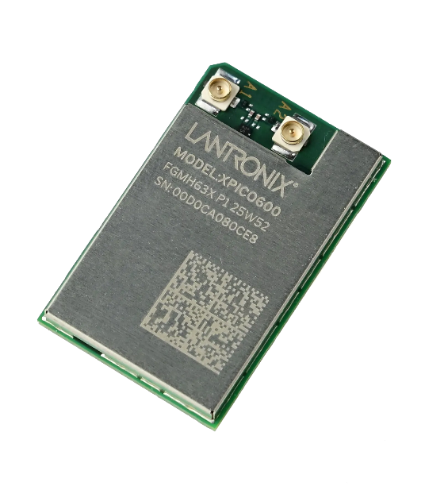 | 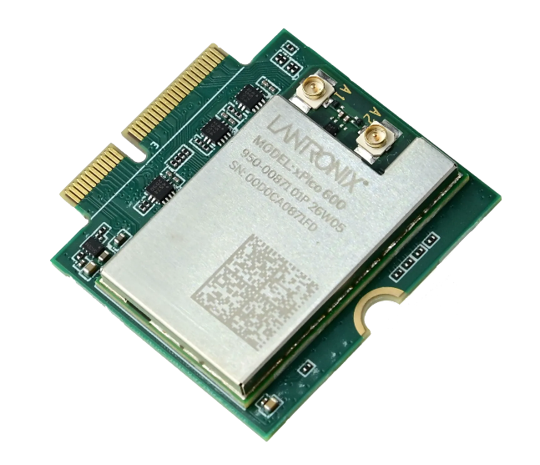 | 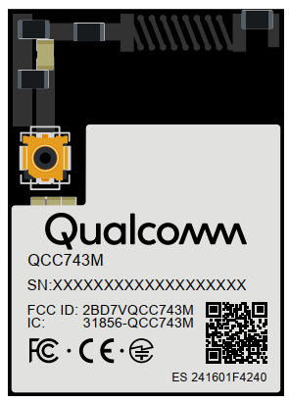 | 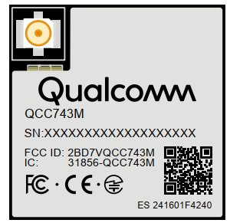 | 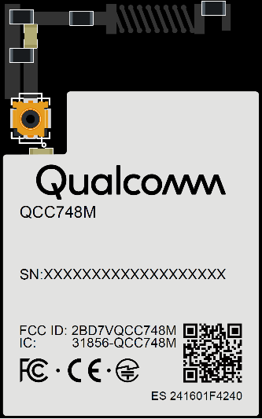 | 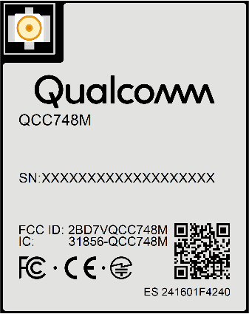
Part Number |  | XPC600100S | XPC600300S | QCC-743M-1-LGM36-MT-01-0-AA | QCC-743M-1-LGM36A-MT-01-0-AB | QCC-748M-2-LGM52-MT-01-0-AA | QCC-748M-2-LGM52A-MT-01-0-AB | QCC-748M-3-LGM52-MT-01-0-AA | QCC-748M-3-LGM52A-MT-01-0-AB
Platform | Module Supplier | Lantronix | Lantronix | Qualcomm | Qualcomm | Qualcomm | Qualcomm | Qualcomm | Qualcomm
 | Chip Supplier | NXP | NXP | Qualcomm | Qualcomm | Qualcomm | Qualcomm | Qualcomm | Qualcomm
 | Chip Part Number | RW610 | RW610 | QCC-743-1 | QCC-743-1 | QCC-748-2 | QCC-748-2 | QCC-748-3 | QCC-748-3
 | CPU | Cortex-M33 @ 260 MHz | Cortex-M33 @ 260 MHz | RISC-V @ 325MHz with FPU + DSP | RISC-V @ 325MHz with FPU + DSP | RISC-V @ 325MHz with FPU + DSP | RISC-V @ 325MHz with FPU + DSP | RISC-V @ 325MHz with FPU + DSP | RISC-V @ 325MHz with FPU + DSP
 | Flash | 16 MB | 16 MB | 4 MB NOR | 4 MB NOR | 8 MB NOR | 8 MB NOR | 8 MB NOR | 8 MB NOR
 | RAM | 1.2 MB SRAM + 8 MB PSRAM | 1.2 MB SRAM + 8 MB PSRAM | 484 KB | 484 KB | 484 KB SRAM + 4 MB pSRAM (SiP) | 484 KB SRAM + 4 MB pSRAM (SiP) | 484 KB SRAM + 8 MB pSRAM (SiP) | 484 KB SRAM + 8 MB pSRAM (SiP)
 | ROM | 256 KB | 256 KB | 128 KB | 128 KB | 128 KB | 128 KB | 128 KB | 128 KB
 | Hosted Interface | UART, USB, SPI, Ethernet | UART, USB, SPI, Ethernet | SDIO, UART, SPI | SDIO, UART, SPI | SDIO, UART, SPI | SDIO, UART, SPI | SDIO, UART, SPI | SDIO, UART, SPI
 | Hosted OS | Any | Any | Any | Any | Any | Any | Any | Any
 | Hostless OS | FreeRTOS | FreeRTOS | FreeRTOS, Zephyr | FreeRTOS, Zephyr | FreeRTOS, Zephyr | FreeRTOS, Zephyr | FreeRTOS, Zephyr | FreeRTOS, Zephyr
Connectivity | SDIO | 1 x SDIO | 1 x SDIO | NA | NA | 1 x SDIO | 1 x SDIO | 1 x SDIO | 1 x SDIO
 | USB | 1 x USB 2.0 | 1 x USB 2.0 | NA | NA | 1 x USB 2.0 | 1 x USB 2.0 | 1 x USB 2.0 | 1 x USB 2.0
 | SPI / QSPI | 1 x SPI (5 Mbps) | 1 x SPI (5 Mbps) | 1 x SPI / NA | 1 x SPI / NA | 1 x SPI / 1 x QSPI | 1 x SPI / 1 x QSPI | 1 x SPI / 1 x QSPI | 1 x SPI / 1 x QSPI
 | UART | 1 x UART (up to 4 Mbps) | 1 x UART (up to 4 Mbps) | 2 x UART | 2 x UART | 2 x UART | 2 x UART | 2 x UART | 2 x UART
 | I2C | 1 x I2C | 1 x I2C | 2 x I2C | 2 x I2C | 2 x I2C | 2 x I2C | 2 x I2C | 2 x I2C
 | ADC | NA | NA | 12 x channels 12/16 bit | 12 x channels 12/16 bit | 12 x channels 12/16 bit | 12 x channels 12/16 bit | 12 x channels 12/16 bit | 12 x channels 12/16 bit
 | DAC | NA | NA | 2 x channels 12 bit | 2 x channels 12 bit | 2 x channels 12 bit | 2 x channels 12 bit | 2 x channels 12 bit | 2 x channels 12 bit
 | PWM | NA | NA | 4 x PWM | 4 x PWM | 4 x PWM | 4 x PWM | 4 x PWM | 4 x PWM
 | GPIOs | 12 x GPIOs | 12 x GPIOs | 19 multiplexed GPIOs | 19 multiplexed GPIOs | 27 to 35 multiplexed GPIOs | 27 to 35 multiplexed GPIOs | 27 to 35 multiplexed GPIOs | 27 to 35 multiplexed GPIOs
 | Securtiy | FOTA, WPA3 Enterprise, SSLv3/TLS1.3, AES | FOTA, WPA3 Enterprise, SSLv3/TLS1.3, AES | Crypto Accelerators | Crypto Accelerators | Crypto Accelerators | Crypto Accelerators | Crypto Accelerators | Crypto Accelerators
 | Secure Boot/Storage/Debug | yes/yes/no | yes/yes/no | yes/yes/yes | yes/yes/yes | yes/yes/yes | yes/yes/yes | yes/yes/yes | yes/yes/yes
 | Video | NA | NA | no | no | MIPI-DBI, DVP, MJPEG | MIPI-DBI, DVP, MJPEG | MIPI-DBI, DVP, MJPEG | MIPI-DBI, DVP, MJPEG
 | Audio Codec with Audio DAC&ADC | NA | NA | no | no | yes | yes | yes | yes
 | Miscellaneous | 10/100 Mbps Ethernet MAC, MDI | 10/100 Mbps Ethernet MAC, MDI | I2S, SD/MCC/SF, CAN, JTAG | I2S, SD/MCC/SF, CAN, JTAG | I2S, SD/MCC/SF, CAN, RMII, JTAG | I2S, SD/MCC/SF, CAN, RMII, JTAG | I2S, SD/MCC/SF, CAN, RMII, JTAG | I2S, SD/MCC/SF, CAN, RMII, JTAG
Wireless | Bluetooth Standard + Others | BLE 5.4 | BLE 5.4 | BT 5.4, BLE + 802.15.4 | BT 5.4, BLE + 802.15.4 | BT 5.4, BLE + 802.15.4 | BT 5.4, BLE + 802.15.4 | BT 5.4, BLE + 802.15.4 | BT 5.4, BLE + 802.15.4
 | WiFi Standard | WiFi 6 | WiFi 6 | WiFi 6 | WiFi 6 | WiFi 6 | WiFi 6 | WiFi 6 | WiFi 6
 | MIMO | MU 1x1 | MU 1x1 | MU 1x1 | MU 1x1 | MU 1x1 | MU 1x1 | MU 1x1 | MU 1x1
 | Frequency | 2.4 GHz + 5 GHz | 2.4 GHz + 5 GHz | 2.4 GHz | 2.4 GHz | 2.4 GHz | 2.4 GHz | 2.4 GHz | 2.4 GHz
 | Bandwidth / MCS | HE20, MCS9 | HE20, MCS9 | HE20/HE40, MCS9 | HE20/HE40, MCS9 | HE20/HE40, MCS9 | HE20/HE40, MCS9 | HE20/HE40, MCS9 | HE20/HE40, MCS9
 | Antenna Data Rate | 114 Mbps | 114 Mbps | 229.4 Mbps | 229.4 Mbps | 229.4 Mbps | 229.4 Mbps | 229.4 Mbps | 229.4 Mbps
 | Antenna Type | 2 x U.FL (antenna diversity) | 2 x U.FL (antenna diversity) | PCB | RF connector | PCB | RF connector | PCB | RF connector
 | PA on Chip / Module | yes / no | yes / no | yes / no | yes / no | yes / no | yes / no | yes / no | yes / no
 | Soft AP | Concurrent Soft AP and Client Mode | Concurrent Soft AP and Client Mode | yes | yes | yes | yes | yes | yes
 | Monitor Mode | yes | yes | yes | yes | yes | yes | yes | yes
Module Spec | Power Supply | 3.3 V | 3.3 V | Main:3.3V IO:1.8V or 3.3V | Main:3.3V IO:1.8V or 3.3V | Main:3.3V IO:1.8V or 3.3V | Main:3.3V IO:1.8V or 3.3V | Main:3.3V IO:1.8V or 3.3V | Main:3.3V IO:1.8V or 3.3V
 | Dimension (mm) | 18 x 28.5 | 30 x 30 | 12.28 x 17.28 | 12.28 x 12.28 | 14.82 x 23.63 | 14.82 x 18.63 | 14.82 x 23.63 | 14.82 x 18.63
 | Package | LGA, 71 pins | M.2 Key E 3030, 67 pins | 32-pin, LGA | 32-pin, LGA | 46-pin, LGA | 46-pin, LGA | 46-pin, LGA | 46-pin, LGA
 | Temperature Range | -40°C to 85°C | -40°C to 85°C | -40°C to 85°C | -40°C to 85°C | -40°C to 85°C | -40°C to 85°C | -40°C to 85°C | -40°C to 85°C
 | Mounting | single side | dual side | single side | single side | single side | single side | single side | single side
 | Carrier | Tape&Reel | Tray | Tape&Reel, Matrix Tray | Tape&Reel, Matrix Tray | Tape&Reel, Matrix Tray | Tape&Reel, Matrix Tray | Tape&Reel, Matrix Tray | Tape&Reel, Matrix Tray
 | Weight | 2.54 g | ? | 0.85 g | 0.74 g | 1.41 g | 1.31 g | 1.41 g | 1.31 g
 | Regulatory Compliance | CE, FCC, IC, MIC, BSMI, SRRC, BIS | CE, FCC, IC, MIC, BSMI, SRRC, BIS | FCC, CE, IC, UKCA, RCM, MIC, KC, SRRC | FCC, CE, IC, UKCA, RCM, MIC, KC, SRRC | FCC, CE, IC, UKCA, RCM, MIC, KC, SRRC | FCC, CE, IC, UKCA, RCM, MIC, KC, SRRC | FCC, CE, IC, UKCA, RCM, MIC, KC, SRRC | FCC, CE, IC, UKCA, RCM, MIC, KC, SRRC
DVK |  | YES | YES | YES | YES | YES | YES | YES | YES

 | Sample Shop | XPC600100P | XPC600300P | QCC-743M-1-LGM36-MT-01-0-AA | QCC-743M-1-LGM36A-MT-01-0-AB | QCC-748M-2-LGM52-MT-01-0-AA | QCC-748M-2-LGM52A-MT-01-0-AB | QCC-748M-3-LGM52-MT-01-0-AA | QCC-748M-3-LGM52A-MT-01-0-AB
 | English: | click here | click here | click here | click here | click here | click here | click here | click here
 | German: | click here | click here | click here | click here | click here | click here | click here | click here
 |  | P = Samples | P = Samples

DevKit
 | 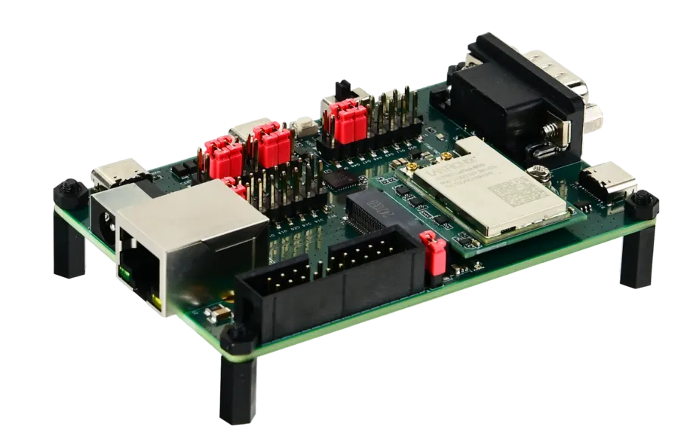 | 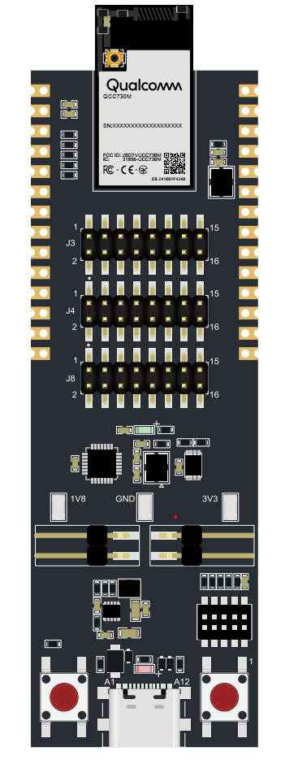 |  |  |  | 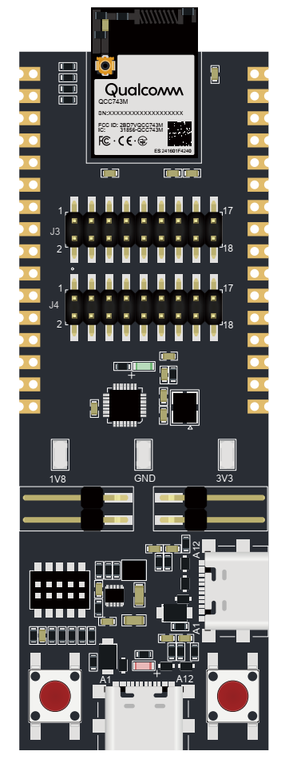
 |  | QCC730M |  |  |  | QCC743M-1 |  | QCC748M-2 |  | QCC748M-3
DevKit Ordering Part Number | XPC600100EK | EVK-QCC730M-1-00-0-AB | EVK-QCC730M-1-00-0-AA | EVK-QCC730M-1-00-0-AE | EVK-QCC730M-1-00-0-AD | EVK-QCC743M-1-01-0-AB | EVK-QCC743M-1-01-0-AA | EVK-QCC748M-2-01-0-AB | EVK-QCC748M-2-01-0-AA | EVK-QCC748M-3-01-0-AB | EVK-QCC748M-3-01-0-AA
Feature List | 1x EVB with a pre-installed xPico 600 M.2 module 2x antennas Serial DB9, Power Switch, Ethernet port, 2x USB, UARTs, JTAG | iPA + RF Connector Power Amplifier in chip only | iPA + PCB Antenna Power Amplifier in chip only | xPA + RF Connector External Power Amplifier on Module | xPA + PCB Antenna External Power Amplifier on Module | RF Connector SiP Memory: No Ext Memory: 4 MB Flash | PCB Antenna SiP Memory: No Ext Memory: 4 MB Flash | RF Connector SiP Memory: 4 MB PSRAM Ext Memory: 8 MB Flash USB | PCB Antenna SiP Memory: 4 MB PSRAM Ext Memory: 8 MB Flash USB | RF Connector SiP Memory: 8 MB PSRAM Ext Memory: 8 MB Flash USB | PCB Antenna SiP Memory: 8 MB PSRAM Ext Memory: 8 MB Flash USB
Internal Item No. | #339460 | #323360 | #324694 | #323359 | #324698 | #323305 | #326701 | #330434 | #330433 | #333692 | #333693

Sample Shop | XPC600100EK | EVK-QCC730M-1-00-0-AB | EVK-QCC730M-1-00-0-AA | EVK-QCC730M-1-00-0-AE | EVK-QCC730M-1-00-0-AD | EVK-QCC743M-1-01-0-AB | EVK-QCC743M-1-01-0-AA | EVK-QCC748M-2-01-0-AB | EVK-QCC748M-2-01-0-AA | EVK-QCC748M-3-01-0-AB | EVK-QCC748M-3-01-0-AA
English: | click here | click here | click here | click here | click here | click here | click here | click here | click here | click here | click here
German: | click here | click here | click here | click here | click here | click here | click here | click here | click here | click here | click here

